DAI Breakdown
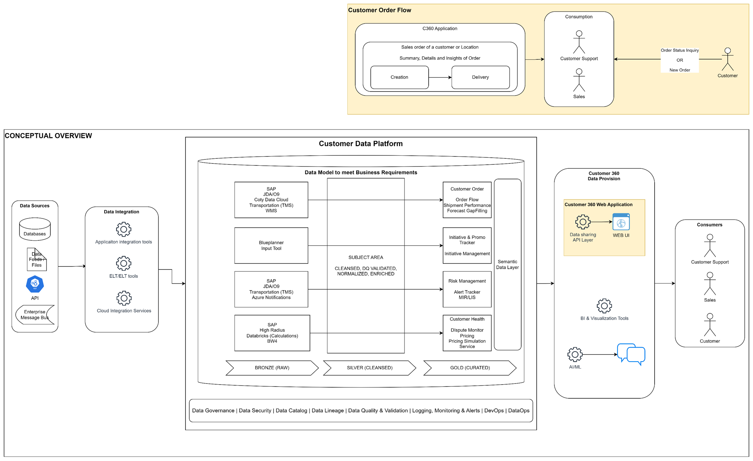
Domain​ | Application​ | Source | Client Phase | DAI Phase | DAI Team
Customer Order ​ | Order Flow​ | TMS | Phase 3 | Phase 2
Risk Management ​ | Alert Tracker​ | TMS | Phase 3 (Notification + TMS) | Phase 2
Customer Health ​ | ,Pricing (Simulation)​ | Databricks (Calculations) | Phase 3 (Simulation) | Phase 2

Metadata & Data profiling
SSTM
BA with SAP knowledge
DataARch + Modeller : Azure Databrics

Week5 , week 6 - UI vs Data model bridging. Perfomrance SLA etc
Week 5 to Week 8 - SSTM mapping.

2 Azure DB Engineers from Week 5 to Week 8 - Data warehousing

Darch - Offshore , BA onsite
PM , BA -> both Vertical
QA -> 1 Data and Visualization

1 Arch BI / Sr Lead engg Develper
1 PBI Developer

